Map
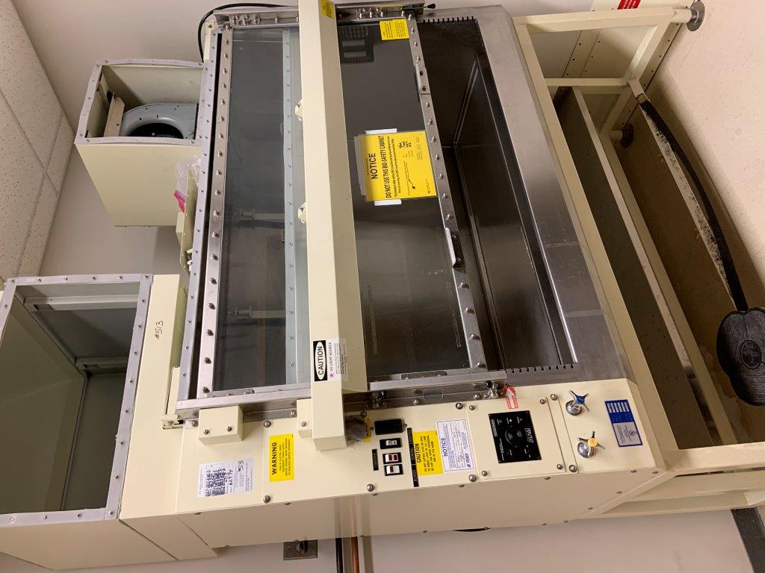

Survey No | INIS-010420-896
Date | 2020-01-04
Survey Tech | E. Carter/K. White/S. Perksy
Count Room Tech | P. Ray
Date Counted | 2020-01-04
Survey Type | Characterization
Level of Posting | None
Comments

Map (2)
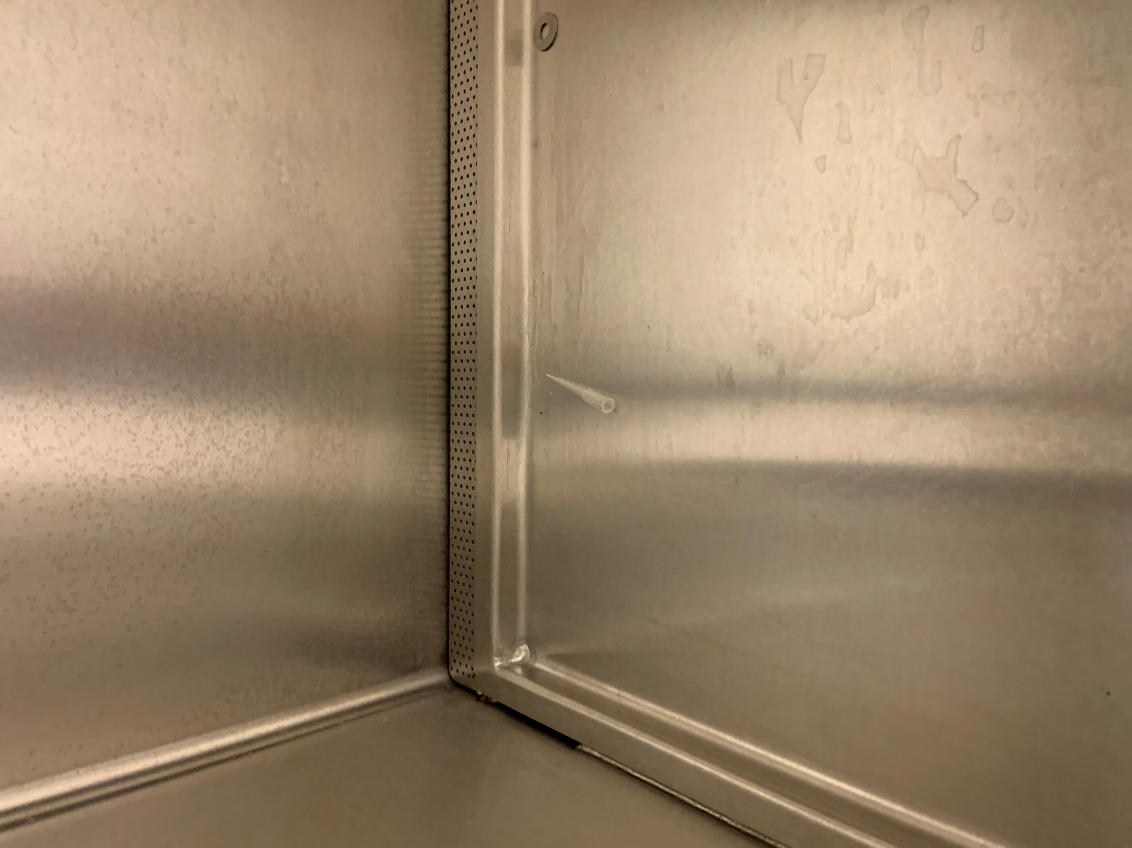
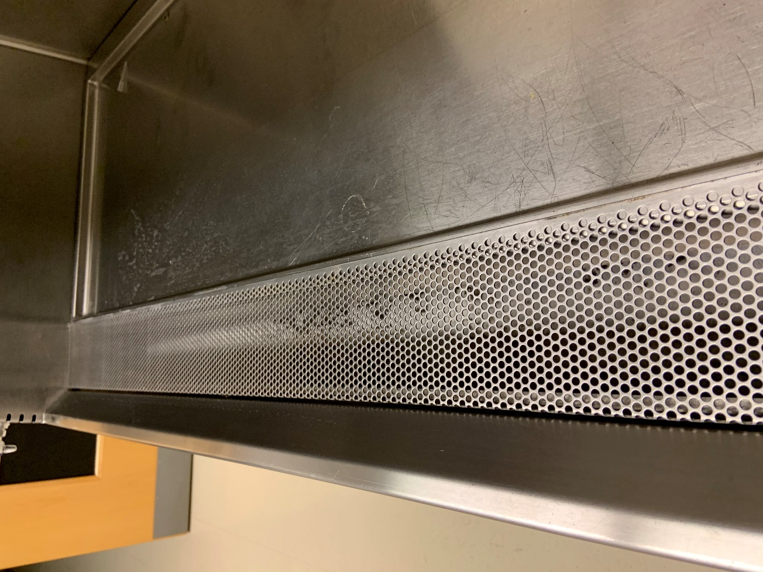

Survey No | INIS-010420-896
Date | 2020-01-04
Survey Tech | E. Carter/K. White/S. Perksy
Count Room Tech | P. Ray
Date Counted | 2020-01-04
Survey Type | Characterization
Level of Posting | None
Comments

